Mar 19
Brand Name | Indication | Status | Table | Project ID
Aermony RespiClick | Asthma Follicular Lymphoma (previously untreated) | Under Consideration | CDR | SR0539-000
Arbesda RespiClick | Asthma Follicular Lymphoma (previously untreated) | Under Consideration | CDR | SR0540-000
Soliqua | Diabetes mellitus, Type 2 | Under Consideration | CDR | SR0564-000
Velphoro | Hyperphosphatemia, end-stage renal disease | Under Consideration | CDR | SR0571-000

Spinraza | Spinal Muscular Atrophy | Under Consideration | CDR | SR0525-000
Xeljanz | Ulcerative colitis | Under Consideration | CDR | SR0572-000
Cinqair | Asthma, eosinophilic | Under Consideration | CDR | SF0591-000
Nucala | Asthma, severe eosinophilic | Under Consideration | CDR | SF0593-000
Radicava | amyotrophic lateral sclerosis | Under Consideration | CDR | SR0573-000
Eucrisa | atopic dermatitis | Under Consideration | CDR | SR0570-000

Volume Report
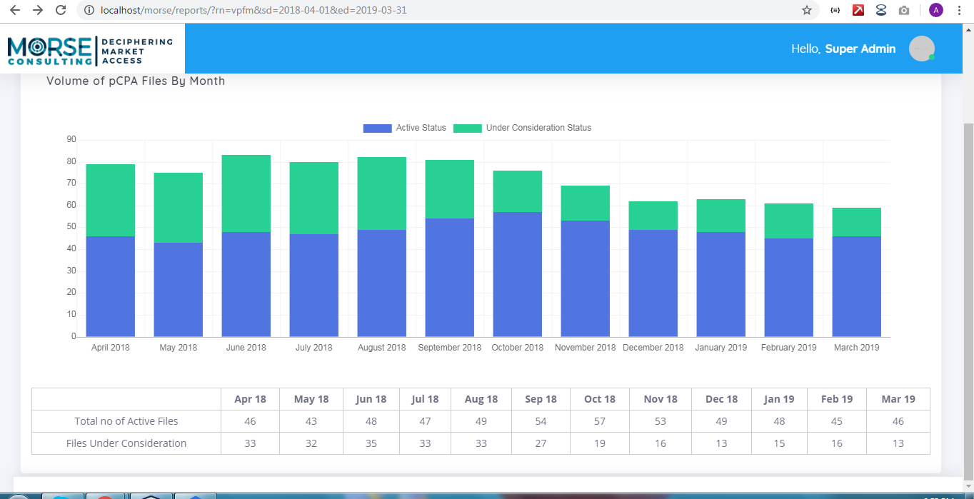
 | April | May | June | July | Aug | Sept | Oct | Nov | Dec | Jan | Feb | March | April | May | Type | CDR | pCODR | No HTA pCPA
Total Number of Active Files | 46 | 43 | 47 | 46 | 47 | 54 | 57 | 51 | 46 | 45 | 43 | 44 | 45 | 47 | Under Consideration | Files are counted as under consideration in the time between: CDEC Final Recommendation & pCPA Negotiation Start Date OR If they have a CDEC Final Recommendation and Negotiation Status is currently listed as "Under Consideration" i.e. if a record had a CDEC Final Recommendation of January 15, 2019 and a pCPA Negotiation Start Date of April 15, 2019 then this record would count towards volume for Jan, Feb and Mar | pCODR Records are counted as under consideration in the time between Notification to Implement & pCPA Negotiation Start Date OR If the record has a Notification to Implement and Negotiation Status is currently listed "Under Consideration" | N/A
Files Under Consideration | 26 | 28 | 28 | 25 | 26 | 18 | 17 | 10 | 12 | 15 | 12 | 15 | 13 | 20 | Active | Files are counted as active in the time between: pCPA Negotiation Start Date and pCPA Negotiation End Date OR If they have a pCPA Negotiation Start Date and is currently listed as "Active" i.e. if a record has a Start Date of January 15, 2019 and an End Date of April 15, 2019 then this record would count towards volume of Jan, Feb and Mar | pCODR records are counted as active in the time between: pCPA Negotiation Start Date and pCPA Negotiation End Date OR If they have a pCPA Negotiation Start Date and is currently listed as "Active" | No HTA pCPA files count as active in the time between: pCPA Negotiation Start Date and pCPA Negotiation End Date OR If they have a pCPA Negotiation Start Date and is currently listed as "Active"
Total | 72 | 71 | 75 | 71 | 73 | 72 | 74 | 61 | 58 | 60 | 55 | 59 | 58 | 67

Volume of pCPA Files by Month (2018/19)

 | Now Graph look like

